People
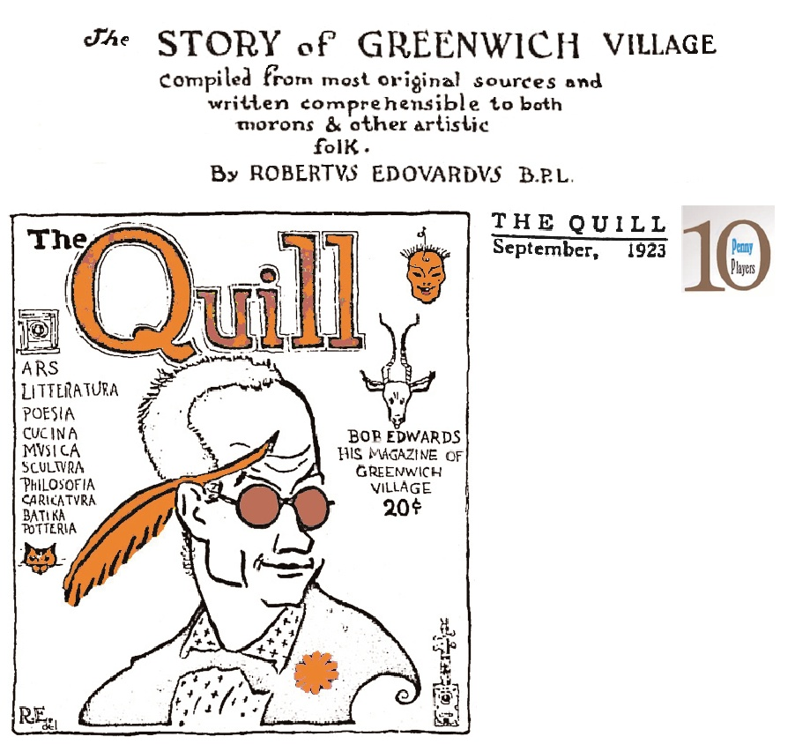
ID | People Entities | Bio 1 | Bio 2 Description | Publications | Publications | Links | Media
A | Robert Edwards | 1879-1948 |  | "The Story of Greewich Village" (Anthologized in The Quill) | "The Greenwich Village Epic" ; "One O'Clock" (song); The Song Book of Robert Edwards
B | Harry Kemp
C | Maxwell Bodenheim
D | Polly Holladay
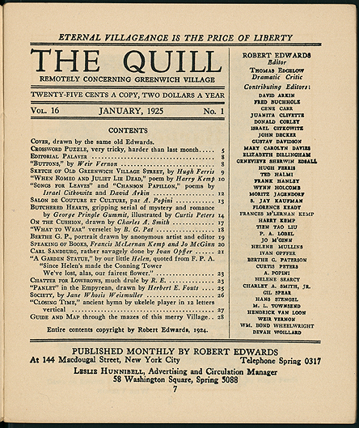
E | Frank Shay |  |  |  |  | http://norman.hrc.utexas.edu/bookshopdoor/#1/theshop.cfm?
F | Edith Unger
G | Lew Ney, a.k.a. Luther Widen, "Mayor of Greewich Village" |  | Publisher | Parnassus, Parnassus Press
H | Arthur Harold Moss | 1889-1969 | Publisher of The Quill |  |  | https://play.google.com/books/reader?id=o22xz6C4EqcC&hl=en&pg=GBS.PA1
I | Harold Hersey |  | Co-founder of The Quill
J | Tony Sarg |  | Puppeteer and designer | "Marionettes in the Orient" | "The Sultan’s Wives Have Got the Hives (From Eating Anchovies and Chives)” by Bobby Edwards | https://www.youtube.com/watch?v=6ieDZOkVZkU
K | Mary Carlolyn Davies
L | Egmont Arens |  | Publisher, owner Washington Square Book Shop | Little Book of Greenwich Village
M | Emanuel Haldeman-Julius |  |  | Little Blue Books | http://haldeman-julius.org/. | https://en.wikipedia.org/wiki/E._Haldeman-Julius
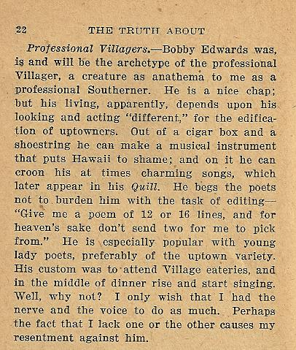
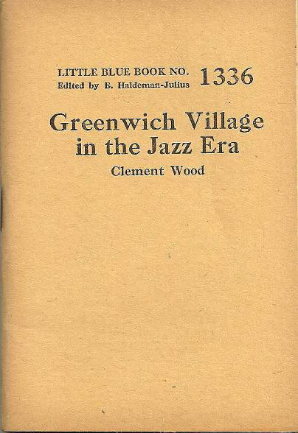
N | Clement Wood
O | Albert & Charles Boni
P | Charles Baker
Q | John Reed
R | Eugene O'Neill |  | Playwright

